Hand-Arm Clearance Table
Hand & Arm Clearance Limits

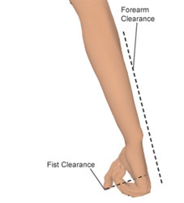
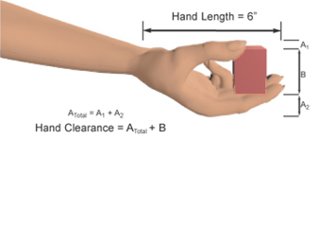
Type of Fit or Clearance | Required Clearance (inches)
Forearm Clearance | 17.55
Fist Clearance | 5.46
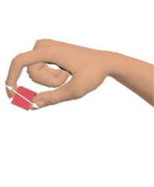
Hand Holding Object | IF 0 ≤ OH ≤ 1.5 then OH + 3.0 IF 1.5 < OH ≤ 2.5 then 5 IF 2.5 < OH ≤ 3.5 then 5.5 IF OH > 3.5 then OH + 2.0
Fingertip (Bare) Holding Object | OH + 1.51
Fingertip (Gloved) Holding Object | OH +1.75

 | OH = Object Height

Source: UGC PLM Solutions and University of Pennsylvania. (1988, 1992, 1993, 1994, 2001). Jack ® Version 2.4.

Version 2.0

