2-Hand Sit-Kneel Lift Table
Maximum Acceptable Weights of Two-Handed LIFTING for Non-Standing Postures (lbs)

 |  | Load Orientation
TWO-HAND LIFT/LOWER POSTURE | Percent of Functional Reach (%) | Flat Container | Vertical Container | Deep Container
Sitting | 35 | 44.0 | 40.5 | 40.5
 | 60 | 35.6 | 30.5 | 35.6
 | 85 | 30.5 | 24.4 | 30.5
Two-Knees | 35 | 44.0 | 40.5 | 40.5
 | 60 | 35.2 | 35.6 | 35.6
 | 85 | 30.5 | 27.3 | 31.9
One-Knees | 35 | 44.0 | 44.0 | 44.0
 | 60 | 35.6 | 35.6 | 40.5
 | 85 | 30.5 | 26.9 | 30.5
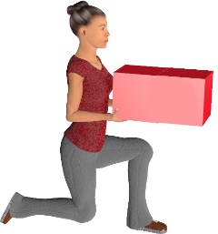

Source: Smith, J.L., et. al. (1992) Manual Materials Handling Capabilities in Non-Standard Postures. Ergonomics (35), Number 7, Pages 807-832.

Version 2.0

